Bug1
ISSUES REPORT

Date: | 20/02/2023 | User Story: | Yearly Plan Price (Step 1)
Reporter: | Brandon Gomez | Severity: | High
category: | Lodgify Pricing Page | Priority: | High

Summary
Ultimate plan not displaying correct price with 50 rentals for Yearly plan

Description
When selecting 50 rentals for the Yearly plan, the price for the ultimate plan doesn't match the real price of 525$

Steps
1 | Enter "Lodgify Pricing Page"
2 | Select 50 number of rentals
3 | Choose Yearly plan

Actual Result
Ultimate plan price displayed is $518

Expected Result
Should displayed $525 for ultimate plan

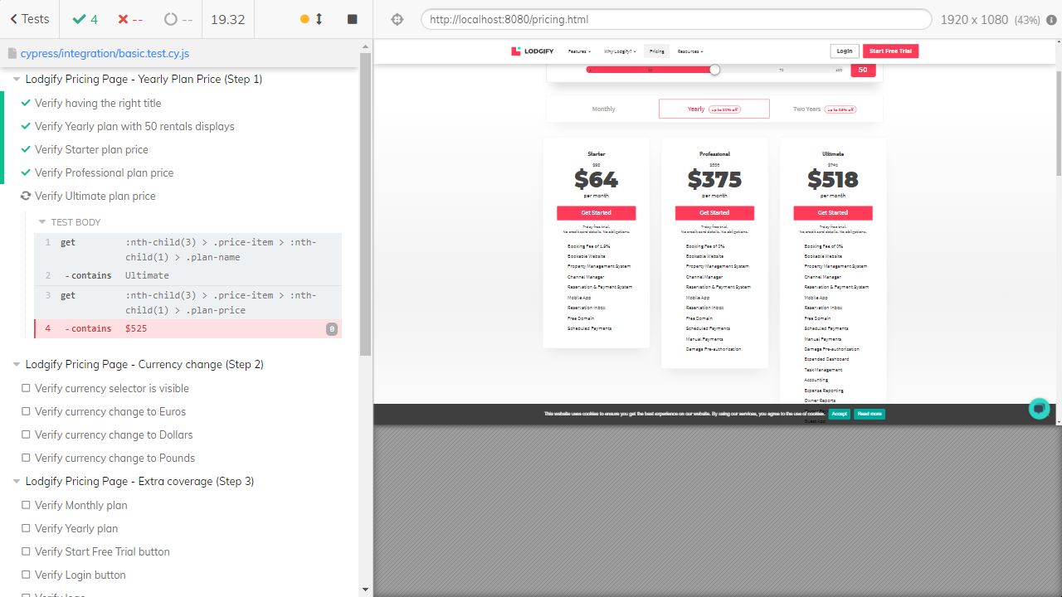
Evidences

Additional Information:

Bug2
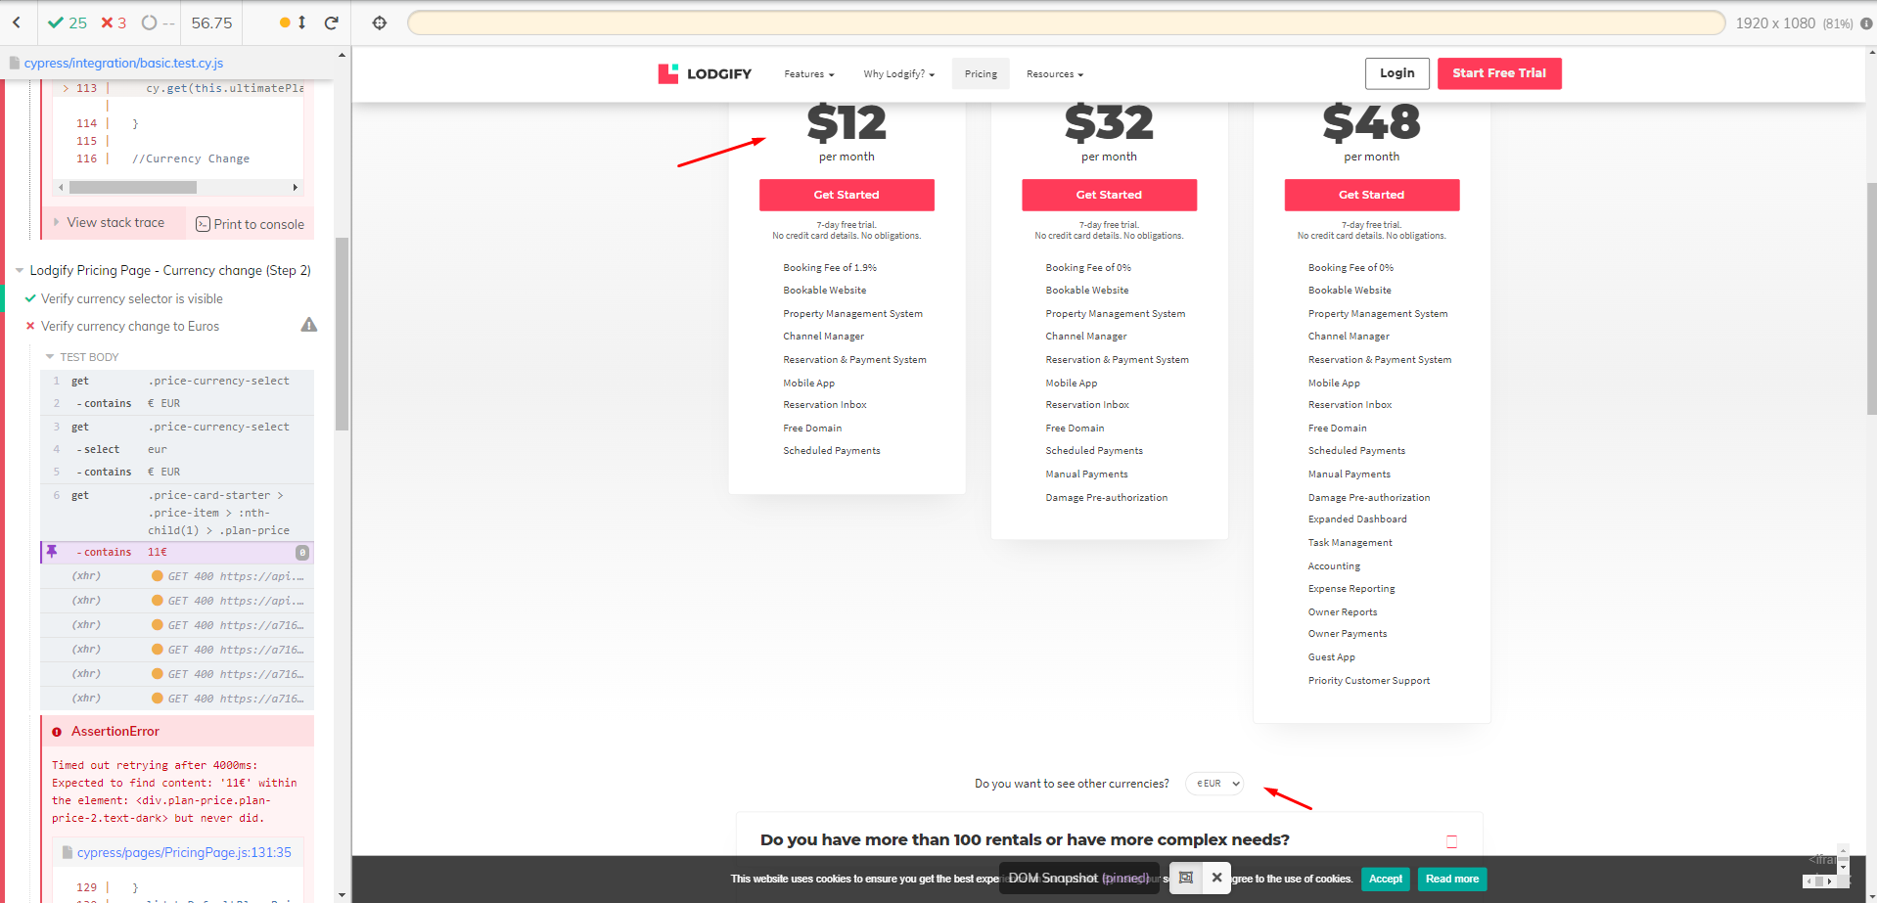 | ISSUES REPORT

 | Date: | 20/02/2023 | User Story: | Currency change (Step 2)
 | Reporter: | Brandon Gomez | Severity: | Medium
 | category: | Lodgify Pricing Page | Priority: | Medium

 | Summary
 | Prices not displayed in Euros as the default currency

 | Description
 | When you enter the pricing page, prices are in Dollars even though the currency selector indicates Euros is the current currency.

 | Steps
 | 1 | Enter "Lodgify Pricing Page"
 | 2 | Check that currency selector is in Euros

 | Actual Result
 | Prices are not in Euros, they are displayed in Dollars

 | Expected Result
 | Prices should be displayed in Euros since it's the default currency in the selector

 | Evidences

 | Additional Information:

Bug4
ISSUES REPORT

Date: | 20/02/2023 | User Story: | Contact Page - Form (Step 4)
Reporter: | Brandon Gomez | Severity: | Low
category: | Lodgify Contact Page | Priority: | Medium

Summary
"Phone number is mandatory" message not shown when phone number field is left empty

Description
When the phone number field is left empty, it doesn't display the message "Phone number is mandatory" even though phone number must be included

Steps
1 | Enter "Lodgify Contact Page"
2 | Send the form with the phone number field empty

Actual Result
"Phone number is mandatory" is never displayed

Expected Result
"Phone number is mandatory" message should be shown

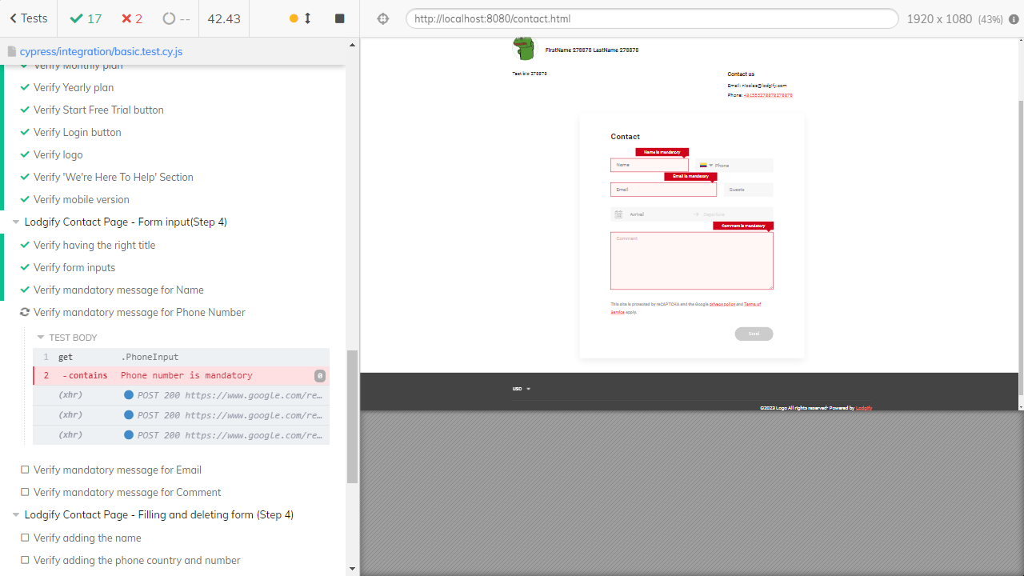
Evidences

Additional Information:

Bug5
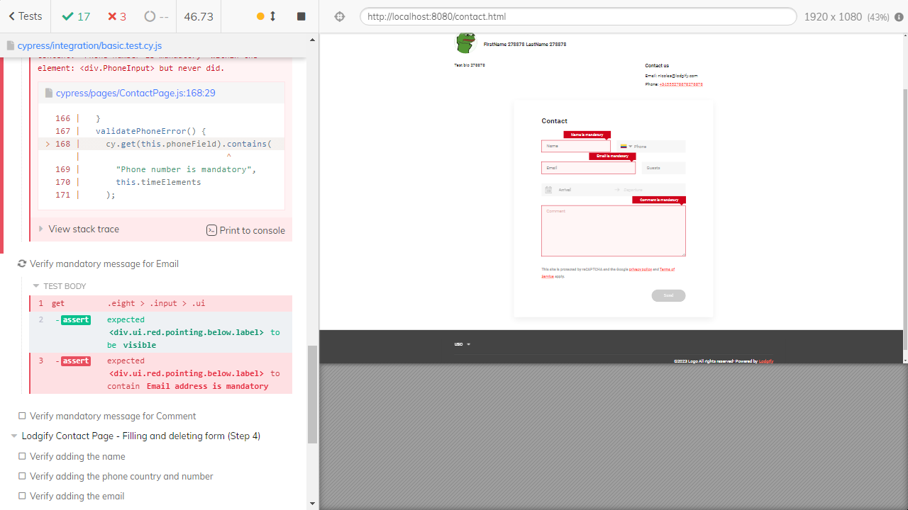 | ISSUES REPORT

 | Date: | 20/02/2023 | User Story: | Contact Page - Form inputs (Step 4)
 | Reporter: | Brandon Gomez | Severity: | Low
 | category: | Lodgify Contact Page | Priority: | Low

 | Summary
 | "Email is mandatory" message is not entirely complete

 | Description
 | When the email address is left empty the message "Email is mandatory" is displayed but it doesn't entirely match "Email address is mandatory"

 | Steps
 | 1 | Enter "Lodgify Contact Page"
 | 2 | Send the form with the phone number field empty

 | Actual Result
 | "Email is mandatory" is the message shown

 | Expected Result
 | "Email address is mandatory" should be displayed intead

 | Evidences

 | Additional Information:

